Problem
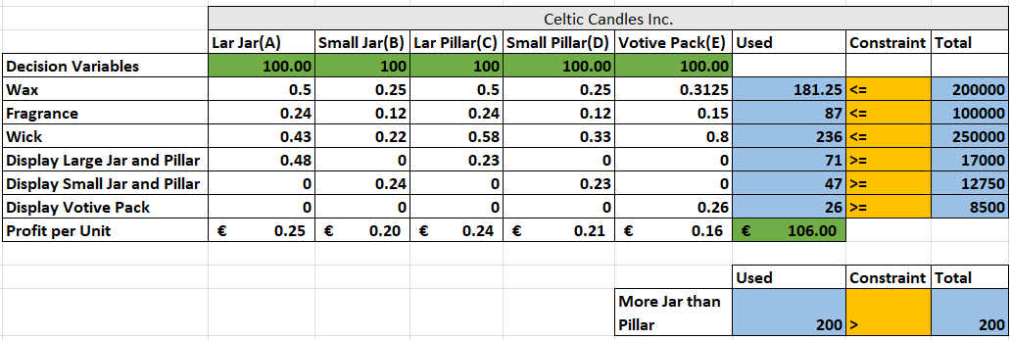

Constraints
Wax | 0.5A+0.25B+0.5C+0.25D+0.3125E<=200000
Fragrance | 0.24A+0.12B+0.24C+0.12D+0.15E<=100000
Wick | 0.43A+0.22B+0.58C+0.33D+0.8E<=250000
Display Large Jar and Pillar | 0.48A+0.23C>=17000
Display Small Jar and Pillar | 0.24B+0.23D>=12750
Display Votive Pack | 0.26E>=8500
Total Display | 0.48A+0.24B+0.23C+0.23D+0.26E<=38250
More Jar than Pillar | (A+B)>(C+D)

